Assumptions
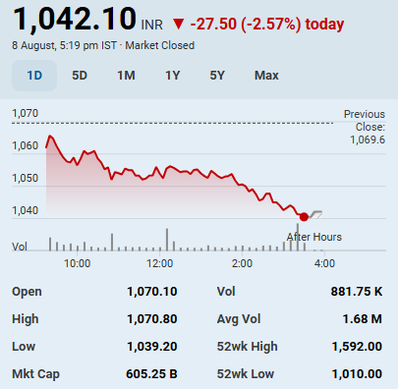
Scenario
Base | 2

Assumptions
Transaction Date | 2025-08-10
Fiscal Year End | 2026-03-31
Risk Free Rate | 6.4%
Tax Rate | 25%
Perpetual Growth Rate | 5%
Discount Rate | 10%
Shares Outstanding(Mn) | 580.8
Current Market Price | ₹ 1,042
Market Cap (mn.) | ₹ 605,194

